Dail Question 33
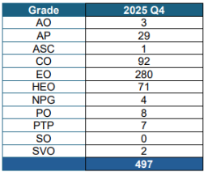
Response to Dail Question 33

Please see below breakdown of grades and number of employees for Q4 2025

Dail Question 273
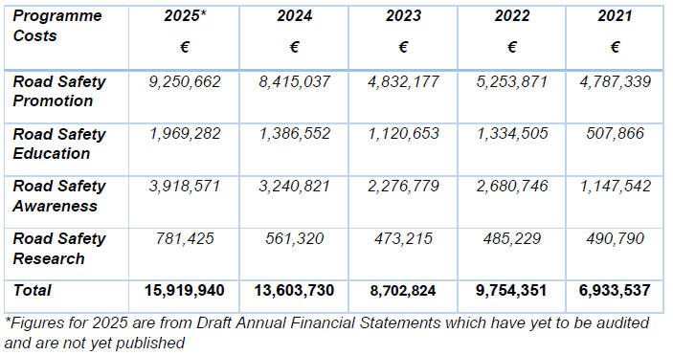
Response to Dail Question 273

Dail Question 274
Response to Dail Question 274

 |  | 2023 | 2024 | 2025 | 2026 | Total 2023 to 2026
Cancellation Requested By | Reason for Cancellation | Volume of Cancellations by RSA | Volume of Cancellations by RSA | Volume of Cancellations by RSA | Volume of Cancellations by RSA | Volume of Cancellations by RSA
RSA | Tester Sick | 4,994 | 7,113 | 8,946 | 1,688 | 22,741
 | Operational reasons | 2,444 | 4,021 | 6,829 | 2,904 | 16,198
 | Tester Medical Appointment | 382 | 495 | 1,145 | 201 | 2,223
 | Inclement Weather | 222 | 107 | 1,327 | 108 | 1,764
 | Tester Bereavement leave | 399 | 497 | 221 |  | 1,117
 | Tester sick | 396 | 393 | 174 |  | 963
 | Mandatory Education Exp | 497 | 176 | 33 | 4 | 710
 | Supervisor Test Required | 265 | 180 | 128 | 27 | 600
 | No Availability | 12 | 174 | 338 | 30 | 554
 | Late Application For Annual Leave | 258 | 163 | 64 |  | 485
 | System Error |  |  | 421 | 60 | 481
 | Tester Unavailable | 131 | 279 | 69 |  | 479
 | Covering Another Tester | 189 | 166 | 5 |  | 360
 | Tester Medical Appt | 48 | 240 | 58 |  | 346
 | Customer Reschedule | 158 | 129 | 30 | 3 | 320
 | Personal Leave | 134 | 90 | 55 |  | 279
 | Postal Application - Cancel | 114 | 53 | 13 |  | 180
 | Tester Training | 56 | 84 | 13 |  | 153
 | Meeting | 87 | 35 | 16 |  | 138
 | Travel Time |  | 119 | 12 |  | 131
 | No Availabitily | 69 | 27 | 19 |  | 115
 | Mandatory Education Incomplete Auto | 46 | 44 | 13 | 2 | 105
 | Covid 19 RSA | 27 | 60 | 11 |  | 98
 | Learning Routes | 71 | 10 |  |  | 81
 | Requires Linked Service | 54 | 19 | 1 |  | 74
 | Adverse Weather Conditions |  | 1 | 49 | 1 | 51
 | Union Meeting | 11 | 23 | 2 |  | 36
 | Customer Requires Irish Test |  | 5 | 17 | 4 | 26
 | Customer Cancel > 10 days |  | 10 | 15 | 1 | 26
 | Other |  | 8 | 12 | 2 | 22
 | Jury Duty | 19 |  |  |  | 19
 | Postal Application - Reschedule | 12 | 2 | 2 |  | 16
 | Facility Unavailable Due To Works |  |  | 5 | 11 | 16
 | Interview |  | 9 |  |  | 9
 | Delayed Getting To Work | 3 | 6 |  |  | 9
 | Interpreter Test required | 4 |  | 4 |  | 8
 | Court - Appeal | 1 | 6 |  |  | 7
 | Family Bereavement | 6 |  |  |  | 6
 | Reschedule Attempt - No Slot |  | 2 | 2 | 1 | 5
 | Medically unfit on day of test | 2 | 1 | 2 |  | 5
 | Covid 19 |  | 4 | 1 |  | 5
 | Learner Permit Expired Auto | 4 |  |  |  | 4
 | Applicant Deceased | 1 | 3 |  |  | 4
 | Reschedule Attempt Within 10 days - No Slot |  | 1 | 1 | 1 | 3
 | Retirement Course | 2 |  |  |  | 2
 | Long Term Medically Unfit to drive | 2 |  |  |  | 2
 | Disqualified From Driving | 2 |  |  |  | 2
 | Applied for incorrect test category | 1 | 1 |  |  | 2
 | Under Investigation by Licensing Unit - Application Review Team (ART) Request |  | 1 |  |  | 1
 | Lost Learner Permit or Road Traffic Collision |  |  | 1 |  | 1
 | Applicant Has Work Commitments Abroad | 1 |  |  |  | 1
Total |  | 11,124 | 14,757 | 20,054 | 5,048 | 50,983

 | 2023 | 2024 | 2025 | 2026 | Total
Driving Tests Cancelled by the RSA | 11,124 | 14,757 | 20,054 | 5,048 | 50,983

Driving Tests Cancelled by the RSA (2023 to 2026)
 | Driving Tests Cancelled by the RSA
2023 | 11124
2024 | 14757
2025 | 20054
2026 | 5048

Dail Question 319
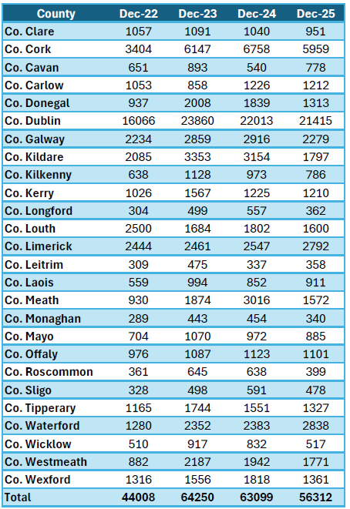
Response to Dail Question 319

The table below shows the number of applicants waiting for a category B (Car) invitation by County as at December 2022, 2023, 2024 and December 2025 which is the extent of our data as our reporting is completed at month end.

